Sheet1
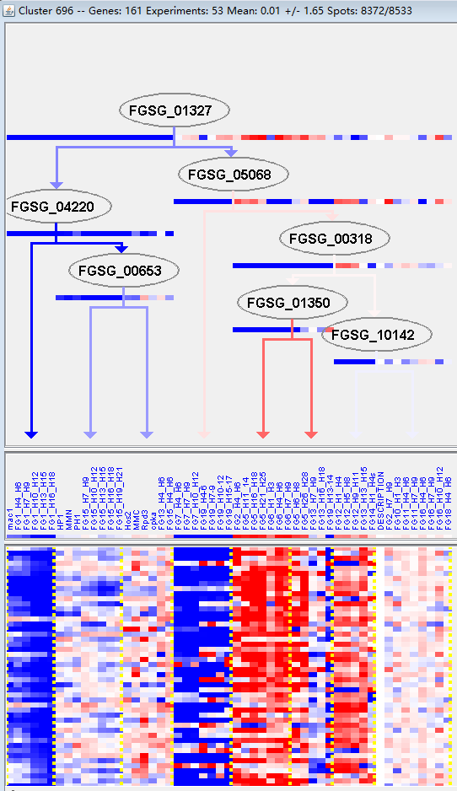
k | Filter | FUNCTIONAL CATEGORY | abs SET | rel SET | genes SET | abs GENOME | rel GENOME | rel SET/rel GENOME | P-VALUE | Bonferroni_corr | FDR
20.01.25 vitamine/cofactor transport | 5 | 3.93 | FGSG_01762 FGSG_03931 FGSG_05368 FGSG_08341 FGSG_11084 | 97 | 0.7 | 5.614285714 | 0.001984354
20.01.23 allantoin and allantoate transport | 4 | 3.14 | FGSG_03931 FGSG_05368 FGSG_08341 FGSG_11084 | 75 | 0.54 | 5.814814815 | 0.004992162
14.13.04 lysosomal and vacuolar protein degradation | 3 | 2.36 | FGSG_00017 FGSG_10343 FGSG_11405 | 51 | 0.36 | 6.555555556 | 0.011436591
20.03 transport facilities | 14 | 11 | FGSG_01762 FGSG_02677 FGSG_02741 FGSG_03931 FGSG_03523 FGSG_03345 FGSG_05368 FGSG_07489 FGSG_07655 FGSG_08410 FGSG_08341 FGSG_11084 FGSG_11240 FGSG_11239 | 808 | 5.84 | 1.883561644 | 0.016306577
99 UNCLASSIFIED PROTEINS | 78 | 61.4 | FGSG_00009 FGSG_00134 FGSG_11682 FGSG_00354 FGSG_00701 FGSG_11853 FGSG_01366 FGSG_12001 FGSG_01815 FGSG_01859 FGSG_02104 FGSG_12073 FGSG_12079 FGSG_02171 FGSG_02275 FGSG_02348 FGSG_12118 FGSG_02385 FGSG_02437 FGSG_11513 FGSG_04535 FGSG_04532 FGSG_04475 FGSG_04106 FGSG_12374 FGSG_03768 FGSG_03678 FGSG_12403 FGSG_03509 FGSG_03463 FGSG_03420 FGSG_12491 FGSG_12509 FGSG_02994 FGSG_02958 FGSG_02948 FGSG_04891 FGSG_12667 FGSG_05022 FGSG_12698 FGSG_12717 FGSG_05353 FGSG_12779 FGSG_05812 FGSG_12905 FGSG_06482 FGSG_12945 FGSG_06728 FGSG_13115 FGSG_07354 FGSG_07743 FGSG_07791 FGSG_13246 FGSG_08782 FGSG_08681 FGSG_08641 FGSG_13326 FGSG_08243 FGSG_08242 FGSG_08068 FGSG_13528 FGSG_09416 FGSG_09593 FGSG_13676 FGSG_10225 FGSG_10278 FGSG_10455 FGSG_10676 FGSG_10688 FGSG_11071 FGSG_11035 FGSG_13864 FGSG_11016 FGSG_10917 FGSG_11477 FGSG_13972 FGSG_11612 FGSG_11611 | 7238 | 52.3 | 1.173996176 | 0.024208071
01.01.09.03 metabolism of cysteine | 2 | 1.57 | FGSG_00503 FGSG_13314 | 30 | 0.21 | 7.476190476 | 0.030795435
20.01.03 C-compound and carbohydrate transport | 7 | 5.51 | FGSG_01762 FGSG_02741 FGSG_05368 FGSG_07489 FGSG_07655 FGSG_08410 FGSG_08341 | 332 | 2.4 | 2.295833333 | 0.033487924
40.01.05 growth regulators / regulation of cell size | 2 | 1.57 | FGSG_02625 FGSG_03067 | 36 | 0.26 | 6.038461538 | 0.043045639
01.05.10 aliphatic hydrocarbon metabolism | 1 | 0.78 | FGSG_13630 | 5 | 0.03 | 26 | 0.04509833
01.05.10.07 aliphatic hydrocarbon catabolism | 1 | 0.78 | FGSG_13630 | 5 | 0.03 | 26 | 0.04509833

20.01.25维生素/辅因子传输
20.01.23尿囊素和尿囊素转运

